Diff_distribution
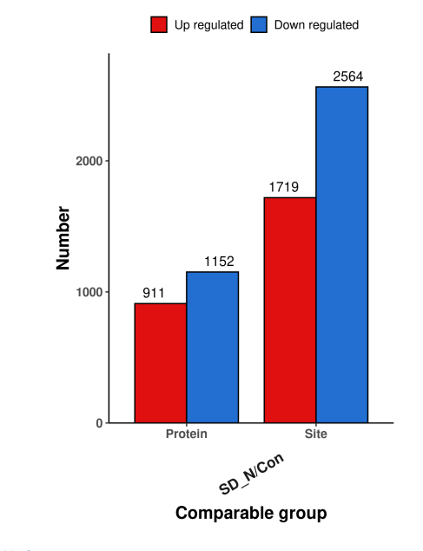
Compared sample name | Type | Up-regulated | Down-regulated
SD-N/con | Site | 1719 | 2564
 | Protein | 911 | 1152

